Oil Filter Head
PT KOMATSU REMAN INDONESIA

OIL FILTER HEAD DELIVERY AND
RECEIVING INSPECTION CHECKSHEET

JOB NUMBER |  |  | PART NAME |  |  |  | OIL FILTER HEAD |  | DOCUMENT NO. |  |  |  | QR01-SA-010-01
ENGINE MODEL |  | 12V140-1,2 | PART NUMBER |  |  |  |  |  | PUBL. DATE |  |  |  | 01/08/2008
ENGINE S/N |  |  | START DATE / TIME |  |  |  |  |  | REVISION NO. |  |  |  | 01
MACHINE MODEL |  |  | FINISH DATE / TIME |  |  |  |  |  | PAGE |  |  |  | 1 of 1

SKETCH DRAWING

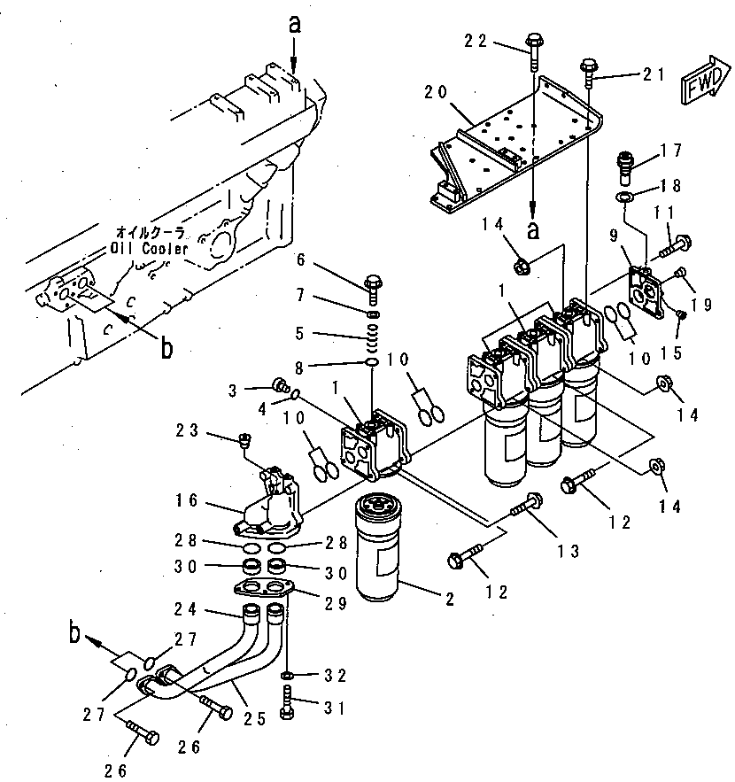
 |  |  |  | VISUAL INSPECT |  |  |  |  |  | MECHANIC |  |  | QA
 |  |  |  |  |  |  |  |  |  | OK | NO |  | OK | NO
 |  |  |  | FREE CORROSION AND DIRT
 |  |  |  | CRACK HAS BEEN CHECKED
 |  |  |  | THREADS HAS BEEN CHECKED
 |  |  |  | BOLTS HAS BEEN TIGHTENED

 |  |  |  | MAN HOURS UTILIZATION
 |  |  |  | PROSES |  |  |  | START |  | FINISH |  |  | MAN HOURS
 |  |  |  | Inspection
 |  |  |  | TOTAL

 |  |  |  | Physical Data
 |  |  |  | No | Part Number |  |  | Part Name |  |  | Qty | New |  | Reuse
 |  |  |  | 1
 |  |  |  | 2
 |  |  |  | 3
 |  |  |  | 4

RECEIVING INSPECTION COMMENT :

 | DELIVERY BY SUB ASSY 2 |  |  |  |  | RECEIVING INSPECTION BY MECHANIC
 | DELIVERED DATE : |  |  |  |  | INSPECTION DATE :
 | MECHANIC NAME : |  |  |  |  | MECHANIC NAME :
 | SIGN |  |  |  |  | SIGN

 | Note : New Oil Filter Head & after finishing can be directly measured by QA (Quality Assurance )

